Dashboard
Who Are Our Patients?
Understanding Our Patients By Age Group, Admission Period, and Condtion to Personalize Engagement


AYURVEDIC

DASHBOARD

ANALYSIS
984
54
38
4

Patients
Average Age
Average Stay
Average Rating
DATASET

Patients by Age Group
Top 5 Patients' Condition
Patients Rating
 | Female | Male
Adult | 294 | 165
Old | 99 | 229
Youth | 131 | 66
 | Total
Appendicitis | 32667
Fractured Arm | 33123
Allergic Reaction | 33540
Fractured Leg | 33701
Heart Attack | 33768
 | Total
Excelent | 590
Good | 261
Poor | 133

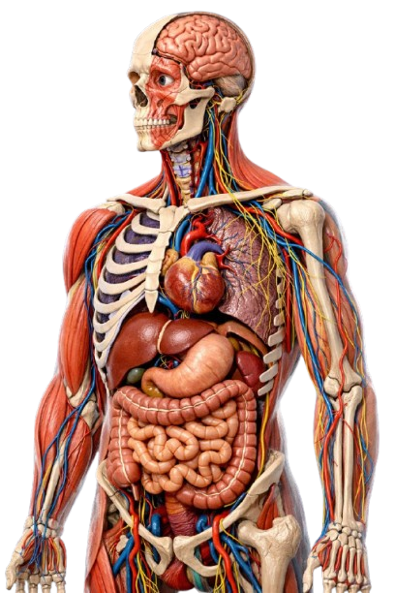

Patient Distribution by Outcome
Patients Segmenatation by Admission Days

 | Total
Chronic | 30369
Long | 6060
Medium | 522
Short | 100
Ultra-Short | 10
 | Female | Male
Recovered | 328 | 263
Stable | 196 | 197

